Minsk-Arena EURO
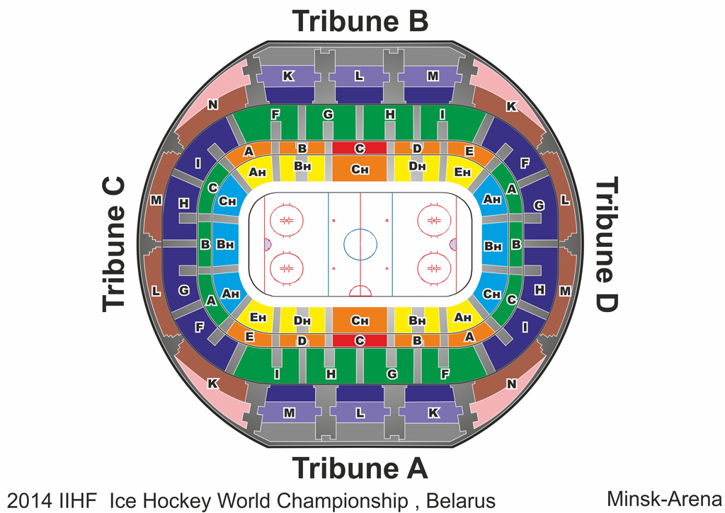
Group B, Minsk-Arena
Day & Date | Game # | Local Time, Minsk, BLR | Home team | Visiting team | Game Rating |  |  |  |  |  |  |  |  |  |  |  |  |  |  |  |  |  |  |  | Start selling
Event tickets - Minsk-Arena |  |  |  |  |  | 1,998 | 0 | 1,804 | 0 | 1,596 | 0 | 1,388 | 0 | 1,180 | 0 | 971 | 0 | 763 | 0 | 569 | 0 | 389 | 0 | 305 | 2013-09-30
Ticket includes all the matches of the tournament in the arena
Group round tickets - Minsk-Arena |  |  |  |  |  | 1,109 | 0 | 994 | 0 | 880 | 0 | 754 | 0 | 640 | 0 | 514 | 0 | 400 | 0 | 286 | 0 | 206 | 0 | 160 | 2013-10-14
Ticket includes all the group stage matches of the tournament in the arena
Final round tickets - Minsk-Arena |  |  |  |  |  | 1,082 | 0 | 975 | 0 | 867 | 0 | 757 | 0 | 649 | 0 | 541 | 0 | 433 | 0 | 326 | 0 | 216 | 0 | 162 | 2013-10-14
Ticket includes all the final stage matches of the tournament in the arena
Ticket - Team Belarus |  |  |  |  |  | 311 | 0 | 280 | 0 | 249 | 0 | 217 | 0 | 186 | 0 | 154 | 0 | 123 | 0 | 91 | 0 | 60 | 0 | 49 | 2013-10-14
Ticket includes all of Belarus's matches in the group stagent
Ticket - Team Belarus Plus |  |  |  |  |  | 1,127 | 0 | 1,015 | 0 | 902 | 0 | 790 | 0 | 678 | 0 | 566 | 0 | 449 | 0 | 337 | 0 | 224 | 0 | 171 | 2013-09-30
Ticket includes all of Belarus's matches in the group stagent, quarter-final #4, semi-final #2, bronze and gold medal games
Ticket - Team Finland |  |  |  |  |  | 294 | 0 | 263 | 0 | 231 | 0 | 197 | 0 | 166 | 0 | 134 | 0 | 103 | 0 | 71 | 0 | 54 | 0 | 43 | 2013-10-28
Ticket includes all of Finland's matches in the group stagent
Ticket - Team Russia |  |  |  |  |  | 317 | 0 | 283 | 0 | 251 | 0 | 220 | 0 | 189 | 0 | 157 | 0 | 126 | 0 | 94 | 0 | 63 | 0 | 51 | 2013-10-28
Ticket includes all of Russia's matches in the group stagent
Ticket - Team USA |  |  |  |  |  | 294 | 0 | 263 | 0 | 231 | 0 | 197 | 0 | 166 | 0 | 134 | 0 | 103 | 0 | 71 | 0 | 54 | 0 | 43 | 2013-10-28
Ticket includes all of USA's matches in the group stagent
Ticket - Team Switzerland |  |  |  |  |  | 289 | 0 | 257 | 0 | 226 | 0 | 194 | 0 | 163 | 0 | 131 | 0 | 100 | 0 | 71 | 0 | 51 | 0 | 43 | 2013-10-28
Ticket includes all of Switzerland's matches in the group stagent
Ticket - Team Germany |  |  |  |  |  | 283 | 0 | 251 | 0 | 220 | 0 | 189 | 0 | 157 | 0 | 126 | 0 | 94 | 0 | 69 | 0 | 51 | 0 | 43 | 2013-10-28
Ticket includes all of Germany's matches in the group stagent
Ticket - Team Latvia |  |  |  |  |  | 289 | 0 | 257 | 0 | 226 | 0 | 194 | 0 | 163 | 0 | 131 | 0 | 100 | 0 | 71 | 0 | 51 | 0 | 43 | 2013-10-28
Ticket includes all of Latvia's matches in the group stagent
Ticket - Team Kazakhstan |  |  |  |  |  | 283 | 0 | 251 | 0 | 220 | 0 | 189 | 0 | 157 | 0 | 126 | 0 | 94 | 0 | 69 | 0 | 51 | 0 | 43 | 2013-10-28
Ticket includes all of Kazakhstan's matches in the group stagent
Friday 09.05.2014 | 1 | 16:45:00 | SUI | RUS | A | 53 |  | 48 |  | 42 |  | 37 |  | 32 |  | 27 |  | 21 |  | 16 |  | 11 |  | 8 | 2013-11-25
 | 3 | 20:45:00 | BLR | USA | A | 53 |  | 48 |  | 42 |  | 37 |  | 32 |  | 27 |  | 21 |  | 16 |  | 11 |  | 8 | 2013-11-25
 | Day #1 Tickets |  |  |  |  | 96 |  | 86 |  | 77 |  | 67 |  | 57 |  | 48 |  | 38 |  | 29 |  | 19 |  | 16 | 2013-11-11
Saturday 10.05.2014 | 5 | 12:45:00 | GER | KAZ | C | 42 |  | 37 |  | 32 |  | 27 |  | 21 |  | 16 |  | 11 |  | 8 |  | 6 |  | 6 | 2013-11-25
 | 7 | 16:45:00 | LAT | FIN | B | 48 |  | 42 |  | 37 |  | 32 |  | 27 |  | 21 |  | 16 |  | 11 |  | 8 |  | 6 | 2013-11-25
 | 9 | 20:45:00 | USA | SUI | B | 48 |  | 42 |  | 37 |  | 32 |  | 27 |  | 21 |  | 16 |  | 11 |  | 8 |  | 6 | 2013-11-25
 | Day #2 Tickets |  |  |  |  | 124 |  | 110 |  | 96 |  | 81 |  | 67 |  | 53 |  | 38 |  | 27 |  | 21 |  | 17 | 2013-11-11
Sunday 11.05.2014 | 11 | 13:45:00 | GER | LAT | C | 42 |  | 37 |  | 32 |  | 27 |  | 21 |  | 16 |  | 11 |  | 8 |  | 6 |  | 6 | 2013-11-25
 | 13 | 17:30:00 | KAZ | BLR | A | 53 |  | 48 |  | 42 |  | 37 |  | 32 |  | 27 |  | 21 |  | 16 |  | 11 |  | 8 | 2013-11-25
 | 15 | 21:00:00 | FIN | RUS | A | 53 |  | 48 |  | 42 |  | 37 |  | 32 |  | 27 |  | 21 |  | 16 |  | 11 |  | 8 | 2013-11-25
 | Day #3 Tickets |  |  |  |  | 133 |  | 120 |  | 105 |  | 91 |  | 76 |  | 62 |  | 48 |  | 37 |  | 24 |  | 21 | 2013-11-11
Monday 12.05.2014 | 17 | 16:45:00 | BLR | SUI | A | 53 |  | 48 |  | 42 |  | 37 |  | 32 |  | 27 |  | 21 |  | 16 |  | 11 |  | 8 | 2013-11-25
 | 19 | 20:45:00 | USA | RUS | A | 53 |  | 48 |  | 42 |  | 37 |  | 32 |  | 27 |  | 21 |  | 16 |  | 11 |  | 8 | 2013-11-25
 | Day #4 Tickets |  |  |  |  | 96 |  | 86 |  | 77 |  | 67 |  | 57 |  | 48 |  | 38 |  | 29 |  | 19 |  | 16 | 2013-11-11
Tuesday 13.05.2014 | 21 | 16:45:00 | FIN | GER | B | 48 |  | 42 |  | 37 |  | 32 |  | 27 |  | 21 |  | 16 |  | 11 |  | 8 |  | 6 | 2013-11-25
 | 23 | 20:45:00 | LAT | KAZ | B | 48 |  | 42 |  | 37 |  | 32 |  | 27 |  | 21 |  | 16 |  | 11 |  | 8 |  | 6 | 2013-11-25
 | Day #5 Tickets |  |  |  |  | 86 |  | 77 |  | 67 |  | 57 |  | 48 |  | 38 |  | 29 |  | 19 |  | 16 |  | 11 | 2013-11-11
Wednesday 14.05.2014 | 25 | 16:45:00 | SUI | GER | B | 48 |  | 42 |  | 37 |  | 32 |  | 27 |  | 21 |  | 16 |  | 11 |  | 8 |  | 6 | 2013-11-25
 | 27 | 20:45:00 | RUS | KAZ | A | 53 |  | 48 |  | 42 |  | 37 |  | 32 |  | 27 |  | 21 |  | 16 |  | 11 |  | 8 | 2013-11-25
 | Day #6 Tickets |  |  |  |  | 91 |  | 81 |  | 72 |  | 62 |  | 52 |  | 43 |  | 33 |  | 24 |  | 17 |  | 13 | 2013-11-11
Thursday 15.05.2014 | 29 | 16:45:00 | USA | LAT | B | 48 |  | 42 |  | 37 |  | 32 |  | 27 |  | 21 |  | 16 |  | 11 |  | 8 |  | 6 | 2013-11-25
 | 31 | 20:45:00 | BLR | FIN | A | 53 |  | 48 |  | 42 |  | 37 |  | 32 |  | 27 |  | 21 |  | 16 |  | 11 |  | 8 | 2013-11-25
 | Day #7 Tickets |  |  |  |  | 91 |  | 81 |  | 72 |  | 62 |  | 52 |  | 43 |  | 33 |  | 24 |  | 17 |  | 13 | 2013-11-11
Friday 16.05.2014 | 33 | 16:45:00 | KAZ | USA | B | 48 |  | 42 |  | 37 |  | 32 |  | 27 |  | 21 |  | 16 |  | 11 |  | 8 |  | 6 | 2013-11-25
 | 35 | 20:45:00 | FIN | SUI | B | 48 |  | 42 |  | 37 |  | 32 |  | 27 |  | 21 |  | 16 |  | 11 |  | 8 |  | 6 | 2013-11-25
 | Day #8 Tickets |  |  |  |  | 86 |  | 77 |  | 67 |  | 57 |  | 48 |  | 38 |  | 29 |  | 19 |  | 16 |  | 11 | 2013-11-11
Saturday 17.05.2014 | 37 | 12:45:00 | RUS | LAT | A | 53 |  | 48 |  | 42 |  | 37 |  | 32 |  | 27 |  | 21 |  | 16 |  | 11 |  | 8 | 2013-11-25
 | 39 | 16:45:00 | GER | BLR | A | 53 |  | 48 |  | 42 |  | 37 |  | 32 |  | 27 |  | 21 |  | 16 |  | 11 |  | 8 | 2013-11-25
 | 41 | 20:45:00 | KAZ | SUI | C | 42 |  | 37 |  | 32 |  | 27 |  | 21 |  | 16 |  | 11 |  | 8 |  | 6 |  | 6 | 2013-11-25
 | Day #9 Tickets |  |  |  |  | 133 |  | 120 |  | 105 |  | 91 |  | 76 |  | 62 |  | 48 |  | 37 |  | 24 |  | 21 | 2013-11-11
Sunday 18.05.2014 | 43 | 16:45:00 | FIN | USA | B | 48 |  | 42 |  | 37 |  | 32 |  | 27 |  | 21 |  | 16 |  | 11 |  | 8 |  | 6 | 2013-11-25
 | 45 | 20:45:00 | GER | RUS | A | 53 |  | 48 |  | 42 |  | 37 |  | 32 |  | 27 |  | 21 |  | 16 |  | 11 |  | 8 | 2013-11-25
 | Day #10 Tickets |  |  |  |  | 91 |  | 81 |  | 72 |  | 62 |  | 52 |  | 43 |  | 33 |  | 24 |  | 17 |  | 13 | 2013-11-11
Monday 19.05.2014 | 47 | 16:45:00 | KAZ | FIN | B | 48 |  | 42 |  | 37 |  | 32 |  | 27 |  | 21 |  | 16 |  | 11 |  | 8 |  | 6 | 2013-11-25
 | 49 | 20:45:00 | BLR | LAT | A | 53 |  | 48 |  | 42 |  | 37 |  | 32 |  | 27 |  | 21 |  | 16 |  | 11 |  | 8 | 2013-11-25
 | Day #11 Tickets |  |  |  |  | 91 |  | 81 |  | 72 |  | 62 |  | 52 |  | 43 |  | 33 |  | 24 |  | 17 |  | 13 | 2013-11-11
Tuesday 20.05.2014 | 51 | 12:45:00 | USA | GER | B | 48 |  | 42 |  | 37 |  | 32 |  | 27 |  | 21 |  | 16 |  | 11 |  | 8 |  | 6 | 2013-11-25
 | 53 | 16:45:00 | SUI | LAT | B | 48 |  | 42 |  | 37 |  | 32 |  | 27 |  | 21 |  | 16 |  | 11 |  | 8 |  | 6 | 2013-11-25
 | 55 | 20:45:00 | RUS | BLR | A | 53 |  | 48 |  | 42 |  | 37 |  | 32 |  | 27 |  | 21 |  | 16 |  | 11 |  | 8 | 2013-11-25
 | Day #12 Tickets |  |  |  |  | 133 |  | 120 |  | 105 |  | 91 |  | 76 |  | 62 |  | 48 |  | 33 |  | 24 |  | 20 | 2013-11-11
Thursday 22.05.2014 | 58 | 17:00:00 | Quarter-final #2 |  |  | 106 |  | 96 |  | 85 |  | 74 |  | 64 |  | 53 |  | 42 |  | 32 |  | 21 |  | 16 | 2013-11-25
 | 60 | 21:00:00 | Quarter-final #4 |  |  | 106 |  | 96 |  | 85 |  | 74 |  | 64 |  | 53 |  | 42 |  | 32 |  | 21 |  | 16 | 2013-11-25
 | Day #13 Tickets |  |  |  |  | 191 |  | 172 |  | 153 |  | 134 |  | 114 |  | 96 |  | 77 |  | 57 |  | 38 |  | 29 | 2013-11-11
Saturday 24.05.2014 | 61 | 14:45:00 | SEMI-FINAL #1 |  |  | 212 |  | 191 |  | 170 |  | 149 |  | 127 |  | 106 |  | 85 |  | 64 |  | 42 |  | 32 | 2013-11-25
 | 62 | 18:45:00 | SEMI-FINAL #2 |  |  | 212 |  | 191 |  | 170 |  | 149 |  | 127 |  | 106 |  | 85 |  | 64 |  | 42 |  | 32 | 2013-11-25
 | Day #14 Tickets |  |  |  |  | 382 |  | 344 |  | 305 |  | 268 |  | 229 |  | 191 |  | 153 |  | 114 |  | 77 |  | 57 | 2013-11-11
Sunday 25.05.2014 | 63 | 16:30:00 | BRONZE MEDAL |  |  | 212 |  | 191 |  | 170 |  | 149 |  | 127 |  | 106 |  | 85 |  | 64 |  | 42 |  | 32 | 2013-11-25
 | 64 | 21:00:00 | GOLD MEDAL |  |  | 424 |  | 382 |  | 340 |  | 297 |  | 255 |  | 212 |  | 170 |  | 127 |  | 85 |  | 64 | 2013-11-25
 | Day #15 Tickets |  |  |  |  | 573 |  | 516 |  | 459 |  | 401 |  | 344 |  | 287 |  | 229 |  | 172 |  | 114 |  | 86 | 2013-11-11

Chizhovka-Arena EURO
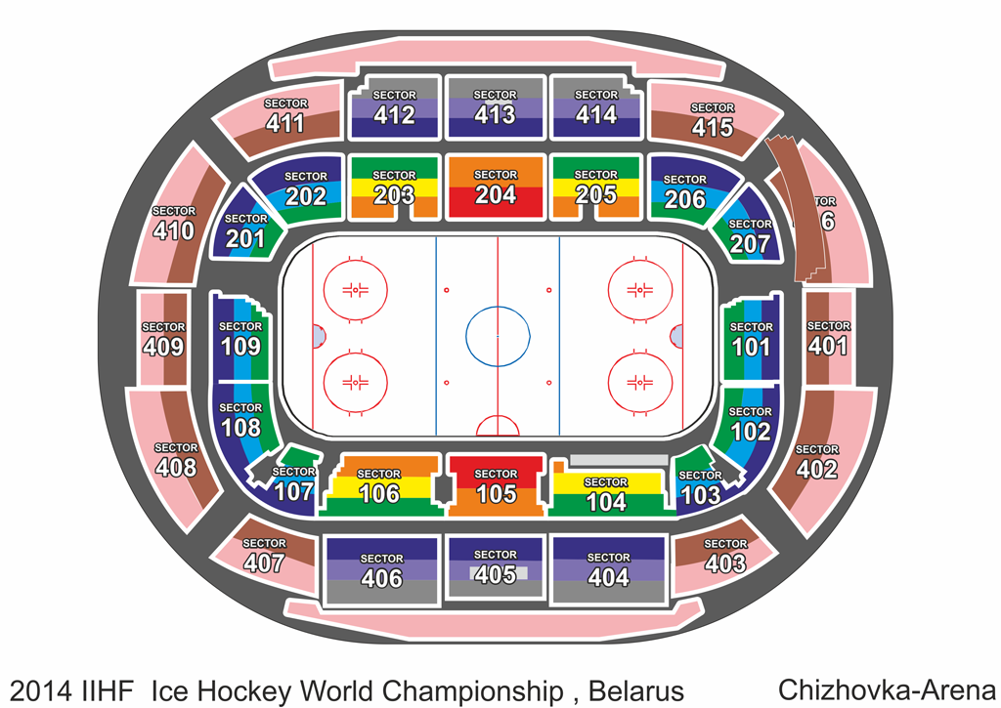
Group A, Chizhovka Arena
Day & Date | Game # | Local Time, Minsk, BLR | Home team | Visiting team | Game Rating |  |  |  |  |  |  |  |  |  |  |  |  |  |  |  |  |  |  |  | Start selling
Event tickets - Chizhovka Arena |  |  |  |  |  | 1,053 |  | 931 | 0 | 808 | 0 | 686 | 0 | 576 | 0 | 453 | 0 | 331 | 0 | 233 | 0 | 184 | 0 | 147 | 2013-09-30
Ticket includes all the matches of the tournament in the arena
Group round tickets - Chizhovka Arena |  |  |  |  |  | 966 | 0 | 849 | 0 | 743 | 0 | 626 | 0 | 520 | 0 | 403 | 0 | 297 | 0 | 212 | 0 | 159 | 0 | 138 | 2013-10-14
Ticket includes all the group stage matches of the tournament in the arena
Ticket - Team Sweden |  |  |  |  |  | 283 |  | 251 | 0 | 220 | 0 | 189 | 0 | 157 | 0 | 126 | 0 | 94 | 0 | 63 | 0 | 51 | 0 | 37 | 2013-10-28
Ticket includes all of Sweden's matches in the group stagent
Ticket - Team Czech |  |  |  |  |  | 283 |  | 251 | 0 | 220 | 0 | 189 | 0 | 157 | 0 | 126 | 0 | 94 | 0 | 63 | 0 | 51 | 0 | 37 | 2013-10-28
Ticket includes all of Czech's matches in the group stagent
Ticket - Team Canada |  |  |  |  |  | 283 |  | 251 | 0 | 220 | 0 | 189 | 0 | 157 | 0 | 126 | 0 | 94 | 0 | 63 | 0 | 51 | 0 | 37 | 2013-10-28
Ticket includes all of Canada's matches in the group stagent
Ticket - Team Slovakia |  |  |  |  |  | 266 |  | 234 | 0 | 203 | 0 | 171 | 0 | 140 | 0 | 109 | 0 | 77 | 0 | 57 | 0 | 43 | 0 | 37 | 2013-10-28
Ticket includes all of Slovakia's matches in the group stagent
Ticket - Team Norway |  |  |  |  |  | 266 |  | 234 | 0 | 203 | 0 | 171 | 0 | 140 | 0 | 109 | 0 | 77 | 0 | 57 | 0 | 43 | 0 | 37 | 2013-10-28
Ticket includes all of Norway's matches in the group stagent
Ticket - Team Denmark |  |  |  |  |  | 266 |  | 234 | 0 | 203 | 0 | 171 | 0 | 140 | 0 | 109 | 0 | 77 | 0 | 57 | 0 | 43 | 0 | 37 | 2013-10-28
Ticket includes all of Denmark's matches in the group stagent
Ticket - Team France |  |  |  |  |  | 266 |  | 234 | 0 | 203 | 0 | 171 | 0 | 140 | 0 | 109 | 0 | 77 | 0 | 57 | 0 | 43 | 0 | 37 | 2013-10-28
Ticket includes all of France's matches in the group stagent
Ticket - Team Italy |  |  |  |  |  | 266 |  | 234 | 0 | 203 | 0 | 171 | 0 | 140 | 0 | 109 | 0 | 77 | 0 | 57 | 0 | 43 | 0 | 37 | 2013-10-28
Ticket includes all of Italy's matches in the group stagent
Friday 09.05.2014 | 2 | 16:45:00 | FRA | CAN | B | 48 |  | 42 | 0 | 37 | 0 | 32 | 0 | 27 | 0 | 21 | 0 | 16 | 0 | 11 | 0 | 8 | 0 | 6 | 2013-11-25
 | 4 | 20:45:00 | CZE | SVK | B | 48 |  | 42 | 0 | 37 | 0 | 32 | 0 | 27 | 0 | 21 | 0 | 16 | 0 | 11 | 0 | 8 | 0 | 6 | 2013-11-25
 | Day #1 Tickets (10% DISCOUNT!!!) |  |  |  |  | 86 |  | 77 | 0 | 67 | 0 | 57 | 0 | 48 | 0 | 38 | 0 | 29 | 0 | 19 | 0 | 16 | 0 | 11 | 2013-11-11
Saturday 10.05.2014 | 6 | 12:45:00 | NOR | ITA | C | 42 |  | 37 | 0 | 32 | 0 | 27 | 0 | 21 | 0 | 16 | 0 | 11 | 0 | 8 | 0 | 6 | 0 | 6 | 2013-11-25
 | 8 | 16:45:00 | DEN | SWE | B | 48 |  | 42 | 0 | 37 | 0 | 32 | 0 | 27 | 0 | 21 | 0 | 16 | 0 | 11 | 0 | 8 | 0 | 6 | 2013-11-25
 | 10 | 20:45:00 | CAN | SVK | B | 48 |  | 42 | 0 | 37 | 0 | 32 | 0 | 27 | 0 | 21 | 0 | 16 | 0 | 11 | 0 | 8 | 0 | 6 | 2013-11-25
 | Day #2 Tickets (10% DISCOUNT!!!) |  |  |  |  | 124 |  | 110 | 0 | 96 | 0 | 81 | 0 | 67 | 0 | 53 | 0 | 38 | 0 | 27 | 0 | 21 | 0 | 17 | 2013-11-11
Sunday 11.05.2014 | 12 | 12:45:00 | ITA | FRA | C | 42 |  | 37 | 0 | 32 | 0 | 27 | 0 | 21 | 0 | 16 | 0 | 11 | 0 | 8 | 0 | 6 | 0 | 6 | 2013-11-25
 | 14 | 16:45:00 | NOR | DEN | C | 42 |  | 37 | 0 | 32 | 0 | 27 | 0 | 21 | 0 | 16 | 0 | 11 | 0 | 8 | 0 | 6 | 0 | 6 | 2013-11-25
 | 16 | 20:45:00 | SWE | CZE | B | 48 |  | 42 | 0 | 37 | 0 | 32 | 0 | 27 | 0 | 21 | 0 | 16 | 0 | 11 | 0 | 8 | 0 | 6 | 2013-11-25
 | Day #3 Tickets (10% DISCOUNT!!!) |  |  |  |  | 120 |  | 105 | 0 | 91 | 0 | 76 | 0 | 62 | 0 | 48 | 0 | 33 | 0 | 24 | 0 | 20 | 0 | 17 | 2013-11-11
Monday 12.05.2014 | 18 | 16:45:00 | FRA | SVK | C | 42 |  | 37 | 0 | 32 | 0 | 27 | 0 | 21 | 0 | 16 | 0 | 11 | 0 | 8 | 0 | 6 | 0 | 6 | 2013-11-25
 | 20 | 20:45:00 | CZE | CAN | B | 48 |  | 42 | 0 | 37 | 0 | 32 | 0 | 27 | 0 | 21 | 0 | 16 | 0 | 11 | 0 | 8 | 0 | 6 | 2013-11-25
 | Day #4 Tickets (10% DISCOUNT!!!) |  |  |  |  | 81 |  | 72 | 0 | 62 | 0 | 52 | 0 | 43 | 0 | 33 | 0 | 24 | 0 | 17 | 0 | 13 | 0 | 11 | 2013-11-11
Tuesday 13.05.2014 | 22 | 16:45:00 | DEN | ITA | C | 42 |  | 37 | 0 | 32 | 0 | 27 | 0 | 21 | 0 | 16 | 0 | 11 | 0 | 8 | 0 | 6 | 0 | 6 | 2013-11-25
 | 24 | 20:45:00 | SWE | NOR | B | 48 |  | 42 | 0 | 37 | 0 | 32 | 0 | 27 | 0 | 21 | 0 | 16 | 0 | 11 | 0 | 8 | 0 | 6 | 2013-11-25
 | Day #5 Tickets (10% DISCOUNT!!!) |  |  |  |  | 81 |  | 72 | 0 | 62 | 0 | 52 | 0 | 43 | 0 | 33 | 0 | 24 | 0 | 17 | 0 | 13 | 0 | 11 | 2013-11-11
Wednesday 14.05.2014 | 26 | 16:45:00 | CZE | ITA | B | 48 |  | 42 | 0 | 37 | 0 | 32 | 0 | 27 | 0 | 21 | 0 | 16 | 0 | 11 | 0 | 8 | 0 | 6 | 2013-11-25
 | 28 | 20:45:00 | SVK | NOR | C | 42 |  | 37 | 0 | 32 | 0 | 27 | 0 | 21 | 0 | 16 | 0 | 11 | 0 | 8 | 0 | 6 | 0 | 6 | 2013-11-25
 | Day #6 Tickets (10% DISCOUNT!!!) |  |  |  |  | 81 |  | 72 | 0 | 62 | 0 | 52 | 0 | 43 | 0 | 33 | 0 | 24 | 0 | 17 | 0 | 13 | 0 | 11 | 2013-11-11
Thursday 15.05.2014 | 30 | 16:45:00 | CAN | DEN | B | 48 |  | 42 | 0 | 37 | 0 | 32 | 0 | 27 | 0 | 21 | 0 | 16 | 0 | 11 | 0 | 8 | 0 | 6 | 2013-11-25
 | 32 | 20:45:00 | FRA | SWE | B | 48 |  | 42 | 0 | 37 | 0 | 32 | 0 | 27 | 0 | 21 | 0 | 16 | 0 | 11 | 0 | 8 | 0 | 6 | 2013-11-25
 | Day #7 Tickets (10% DISCOUNT!!!) |  |  |  |  | 86 |  | 77 | 0 | 67 | 0 | 57 | 0 | 48 | 0 | 38 | 0 | 29 | 0 | 19 | 0 | 16 | 0 | 11 | 2013-11-11
Friday 16.05.2014 | 34 | 16:45:00 | ITA | CAN | B | 48 |  | 42 | 0 | 37 | 0 | 32 | 0 | 27 | 0 | 21 | 0 | 16 | 0 | 11 | 0 | 8 | 0 | 6 | 2013-11-25
 | 36 | 20:45:00 | SWE | SVK | B | 48 |  | 42 | 0 | 37 | 0 | 32 | 0 | 27 | 0 | 21 | 0 | 16 | 0 | 11 | 0 | 8 | 0 | 6 | 2013-11-25
 | Day #8 Tickets (10% DISCOUNT!!!) |  |  |  |  | 86 |  | 77 | 0 | 67 | 0 | 57 | 0 | 48 | 0 | 38 | 0 | 29 | 0 | 19 | 0 | 16 | 0 | 11 | 2013-11-11
Saturday 17.05.2014 | 38 | 12:45:00 | NOR | FRA | C | 42 |  | 37 | 0 | 32 | 0 | 27 | 0 | 21 | 0 | 16 | 0 | 11 | 0 | 8 | 0 | 6 | 0 | 6 | 2013-11-25
 | 40 | 16:45:00 | DEN | CZE | B | 48 |  | 42 | 0 | 37 | 0 | 32 | 0 | 27 | 0 | 21 | 0 | 16 | 0 | 11 | 0 | 8 | 0 | 6 | 2013-11-25
 | 42 | 20:45:00 | ITA | SVK | C | 42 |  | 37 | 0 | 32 | 0 | 27 | 0 | 21 | 0 | 16 | 0 | 11 | 0 | 8 | 0 | 6 | 0 | 6 | 2013-11-25
 | Day #9 Tickets (10% DISCOUNT!!!) |  |  |  |  | 120 |  | 105 | 0 | 91 | 0 | 76 | 0 | 62 | 0 | 48 | 0 | 33 | 0 | 24 | 0 | 20 | 0 | 17 | 2013-11-11
Sunday 18.05.2014 | 44 | 16:45:00 | SWE | CAN | B | 48 |  | 42 | 0 | 37 | 0 | 32 | 0 | 27 | 0 | 21 | 0 | 16 | 0 | 11 | 0 | 8 | 0 | 6 | 2013-11-25
 | 46 | 20:45:00 | CZE | NOR | B | 48 |  | 42 | 0 | 37 | 0 | 32 | 0 | 27 | 0 | 21 | 0 | 16 | 0 | 11 | 0 | 8 | 0 | 6 | 2013-11-25
 | Day #10 Tickets (10% DISCOUNT!!!) |  |  |  |  | 86 |  | 77 | 0 | 67 | 0 | 57 | 0 | 48 | 0 | 38 | 0 | 29 | 0 | 19 | 0 | 16 | 0 | 11 | 2013-11-11
Monday 19.05.2014 | 48 | 16:45:00 | FRA | DEN | C | 42 |  | 37 | 0 | 32 | 0 | 27 | 0 | 21 | 0 | 16 | 0 | 11 | 0 | 8 | 0 | 6 | 0 | 6 | 2013-11-25
 | 50 | 20:45:00 | ITA | SWE | B | 48 |  | 42 | 0 | 37 | 0 | 32 | 0 | 27 | 0 | 21 | 0 | 16 | 0 | 11 | 0 | 8 | 0 | 6 | 2013-11-25
 | Day #11 Tickets (10% DISCOUNT!!!) |  |  |  |  | 81 |  | 72 | 0 | 62 | 0 | 52 | 0 | 43 | 0 | 33 | 0 | 24 | 0 | 17 | 0 | 13 | 0 | 11 | 2013-11-11
Tuesday 20.05.2014 | 52 | 12:45:00 | CAN | NOR | B | 48 |  | 42 | 0 | 37 | 0 | 32 | 0 | 27 | 0 | 21 | 0 | 16 | 0 | 11 | 0 | 8 | 0 | 6 | 2013-11-25
 | 54 | 16:45:00 | SVK | DEN | C | 42 |  | 37 | 0 | 32 | 0 | 27 | 0 | 21 | 0 | 16 | 0 | 11 | 0 | 8 | 0 | 6 | 0 | 6 | 2013-11-25
 | 56 | 20:45:00 | CZE | FRA | B | 48 |  | 42 | 0 | 37 | 0 | 32 | 0 | 27 | 0 | 21 | 0 | 16 | 0 | 11 | 0 | 8 | 0 | 6 | 2013-11-25
 | Day #12 Tickets (10% DISCOUNT!!!) |  |  |  |  | 124 |  | 110 | 0 | 96 | 0 | 81 | 0 | 67 | 0 | 53 | 0 | 38 | 0 | 27 | 0 | 21 | 0 | 17 | 2013-11-11
Thursday 22.05.2014 | 57 | 16:00:00 | Quarterfinal #1 |  |  | 106 |  | 96 | 0 | 85 | 0 | 74 | 0 | 64 | 0 | 53 | 0 | 42 | 0 | 32 | 0 | 21 | 0 | 16 | 2013-11-25
 | 59 | 20:00:00 | Quarterfinal #3 |  |  | 106 |  | 96 | 0 | 85 | 0 | 74 | 0 | 64 | 0 | 53 | 0 | 42 | 0 | 32 | 0 | 21 | 0 | 16 | 2013-11-25
 | Day #13 Tickets (10% DISCOUNT!!!) |  |  |  |  | 191 |  | 172 | 0 | 153 | 0 | 134 | 0 | 114 | 0 | 96 | 0 | 77 | 0 | 57 | 0 | 38 | 0 | 29 | 2013-11-11

